Greece
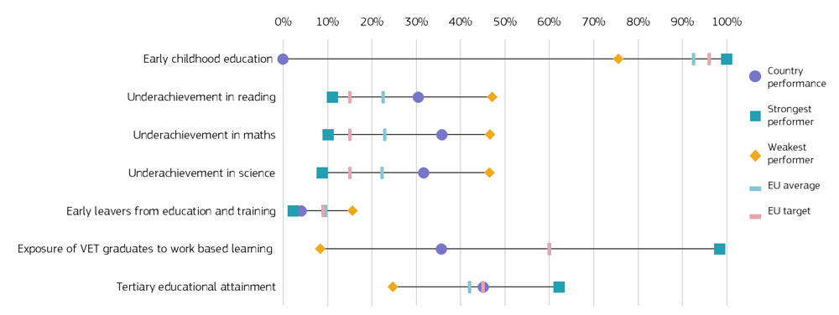
FILL IN THE YELLOW | Languages changes |  |  | PLEASE TRANSLATE ONLY THE 2 PARTS HIGHLIGHTED IN GREEN

 | Early childhood education | Underachievement in reading | Underachievement in maths | Underachievement in science | Early leavers from education and training | Exposure of VET graduates to work based learning | Tertiary educational attainment | Low achieving eight-graders in digital skills | Participation of adults in learning
Greece | : | 30.5% | 35.8% | 31.7% | 4.1% | 35.7% | 45.2%
Strongest performer | 100.0% | 11.1% | 10.2% | 8.8% | 2.3% | 98.4% | 62.3%
Weakest performer | 75.6% | 47.1% | 46.60% | 46.5% | 15.6% | 8.4% | 24.7%
EU average | 92.5% | 22.5% | 22.9% | 22.3% | 9.6% | 60.1% | 42.0%
EU target | 96.0% | 15.0% | 15.0% | 15.0% | 9.0% | 60.0% | 45.0%

Country
performance
Strongest
performer
Weakest
performer
EU average
EU target
Figure 2 - position in relation to strongest and weakest performers

