Sheet1
FILL IN THE YELLOW | Languages changes

 | Croatia | Strongest performer | Weakest performer | EU average | EU target
Early childhood education | 0.81 | 1 | 0.752 | 0.948 | 0.95
Underachievement in reading | 0.216 | 0.111 | 0.471 | 0.225 | 0.15
Underachievement in maths | 0.312 | 0.102 | 0.466 | 0.229 | 0.15
Underachievement in science | 0.254 | 0.088 | 0.465 | 0.223 | 0.15
Early leavers from education and training | 0.03 | 0.03 | 0.173 | 0.102 | 0.1
Tertiary educational attainment | 0.331 | 0.588 | 0.258 | 0.403 | 0.4
Employment rate of recent graduates | 0.758 | 0.931 | 0.587 | 0.809 | 0.82
Adult participation in learning | 0.035 | 0.343 | 0.013 | 0.108 | 0.15
 | Early childhood education | Underachievement in reading | Underachievement in maths | Underachievement in science | Early leavers from education and training | Tertiary educational attainment | Employment rate of recent graduates | Adult participation in learning
Croatia | 81.0% | 21.6% | 31.2% | 25.4% | 3.0% | 33.1% | 75.8% | 3.5%
Strongest performer | 100.0% | 11.1% | 10.2% | 8.8% | 3.0% | 58.8% | 93.1% | 34.3%
Weakest performer | 75.2% | 47.1% | 46.60% | 46.5% | 17.3% | 25.8% | 58.7% | 1.3%
EU average | 94.8% | 22.5% | 22.9% | 22.3% | 10.2% | 40.3% | 80.9% | 10.8%
EU target | 95.0% | 15.0% | 15.0% | 15.0% | 10.0% | 40.0% | 82.0% | 15.0%

Figure 2: position in relation to strongest and weakest performers

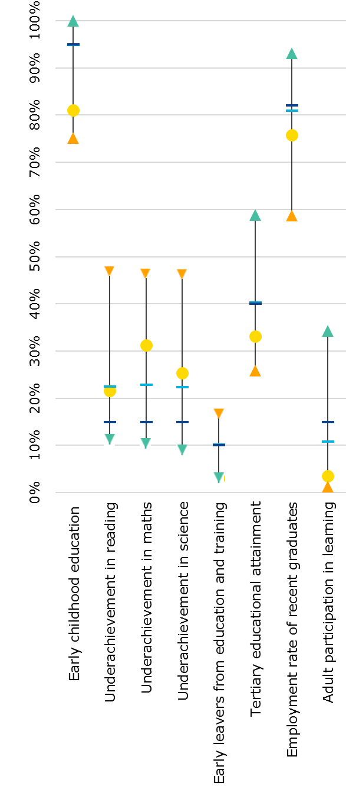

Country
performance
Strongest
performer
Weakest
performer
EU average
EU target

